Sheet1
Item Name | Size | Qty/cs | Qty/ Pallet | Qty | Picture
18" collasipble Luggage | 18" | 7pcs/cs |  | 1321 | 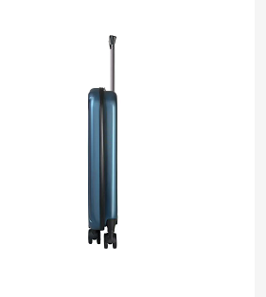
22" collasipble Luggage | 22" | 6pcs/cs |  | 1874
20" Rolling Luggage | 20" | 15pcs/cs | 6cs/pallet | 2055 | 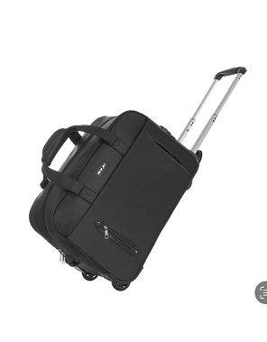
TOTAL |  |  |  | 5250

